content
Restriction orifice calculation (linked to SOP-570)

INSTRUCTIONS
This worksheet provides the procedure to the flowrate or the pressure drop across the restriction orifice plate.
ISO_5167-2
It calculates the flowrate or the pressure drop across the restriction orifice plate as per ISO 5167-2.
idelchik_IV_4.14
It calculates the flowrate or the pressure drop across the restriction orifice plate as per Chapter IV – Diagram 4.14 from I. E. Idelchik’s Handbook of Hydraulic Resistance.

0 | 2025-07-24 | First issue | Advance Mechanical Eng - M. Di Somma | Client Qualification/ EHSS - A. Banfi/ T. Morelli Stefani | R&D & Prod.Eng. Manager - M.Borghetti
Rev. | Date | Description | Prepared | Checked | Approved
Mod.547-0

ISO_5167-2
INSTRUCTIONS
Follow the steps to allow calculation to be performed:
1) Select which data shall be calculated (flowrate or pressure drop).
2) Compile input the input data.
3) Check if the input data meet the limits of use. If not, the solution cannot be considered acceptable.
4) Check the results.
Restriction orifice calculation - ISO 5167-2
 |  |  | Warnings legend
Legend |  |  | 1 | = Acceptable data.
input data |  |  | 0 | = Not acceptable data. User shall modify input data to find an acceptable solution.
descriptor
calculated
annotation

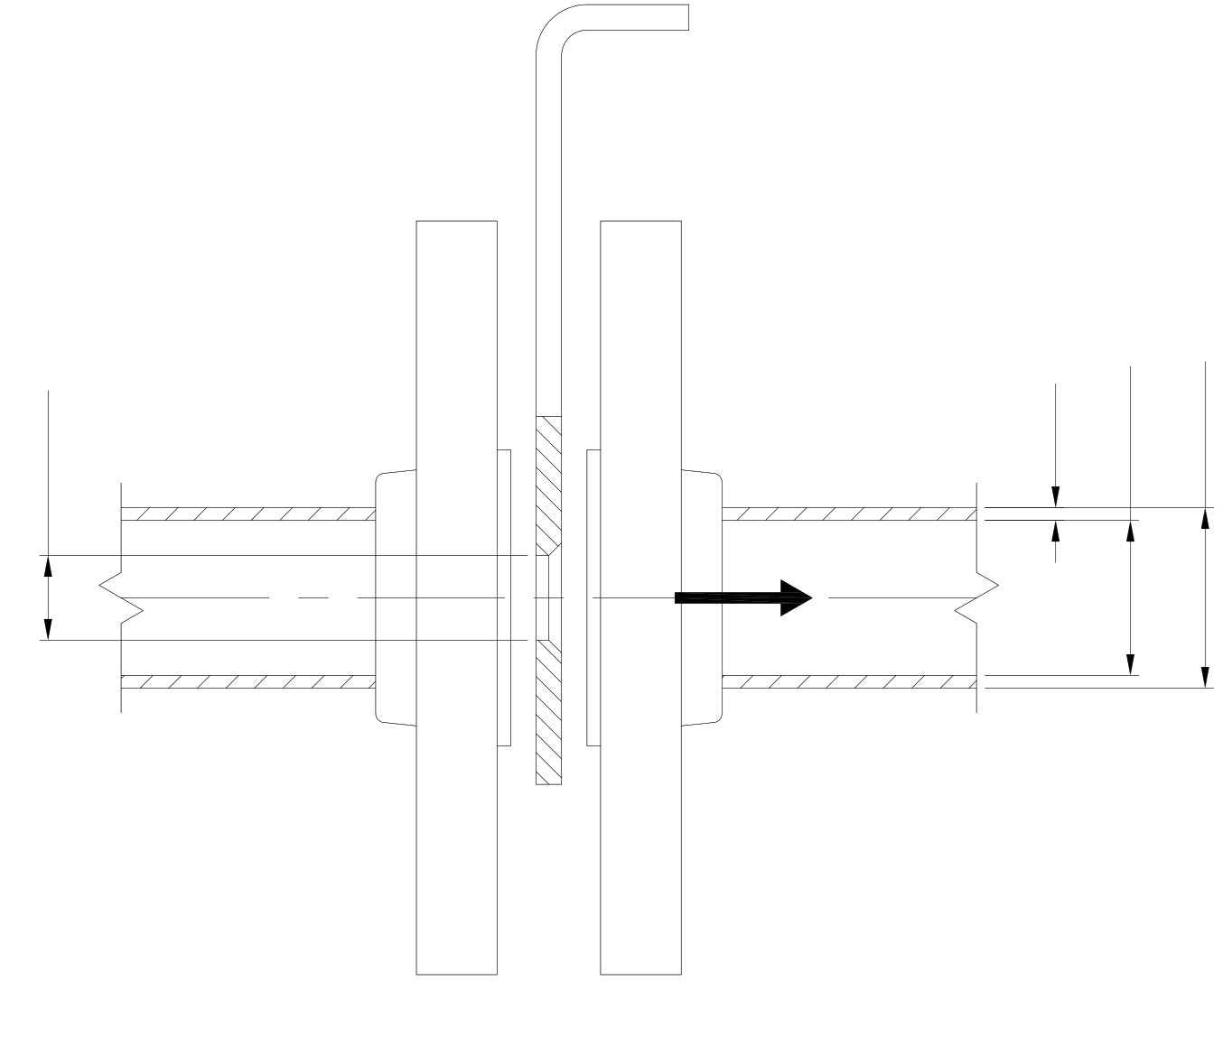
Piping 2"1/2 x Sch. 80
Q [m3/h] = 20
∆p [bar] = 4.25
tpipe [mm] = 7.01
Dint [mm] = 59
Dext [mm] = 73.02
d [mm] = 20.003
PIPE AND ORIFICE DATA
result | orifice diameter | Result to be calculated
d [mm] | 20.003 | Restriction orifice diameter
type | ASTM | Piping type
DN [inch] | 2"1/2 | Piping nominal diameter
Sch [-] | 80 | Piping schedule
Dext [mm] | 73.02 | Piping internal diameter
Dint [mm] | 59.00 | Piping internal diameter
tpipe [mm] | 7.01 | Piping thickness
tappings | corner | Pressure tappings type

FLUID DATA
ρ [kg/m3] | 1000 | Fluid density
ν [mm2/s] | 1.000 | Fluid kinematic viscosity

RESTRICTION ORIFICE PLATE'S CALCULATION AS PER ISO 5167-2
Q [m3/h] | 20.000 | Flowrate
∆p [bar] | 4.250 | Pressure drop across balancing orifice (ref. ISO 5167-2 sect. 4)
corifice [m/s] | 17.678 | Fluid speed in restriction orifice
cpipe [m/s] | 2.032 | Fluid speed in piping
β [-] | 0.339 | Restriction orifice and pipe diameters ratio
Aorifice [mm2] | 314.263 | Restriction orifice area
Apipe [mm2] | 2733.971 | Pipe area
Red [-] | 353619 | Reynolds number referred to orifice diameter
C [-] | 0.602 | Discharge coefficient (ref. ISO 5167-2 sect. 5.3.2.1)
∆p [bar] | 4.250 | Pressure drop across balancing orifice (ref. ISO 5167-2 sect. 4)
∆pcheck [bar] | 0.000 | Check of pressure calculation

LIMITS OF USE
d [mm] | 20.003 | Criteria on orifice diameter d as per 5.3.1 from ISO 5167-2
D [mm] | 59.000 | Criteria on piping internal diameter D as per 5.3.1 from ISO 5167-2
β [-] | 0.339 | Criteria on diameter ratio β as per 5.3.1 from ISO 5167-2
ReD | 119891 | Criteria on orifice diameter d as per 5.3.1 from ISO 5167-2

idelchik_IV_4.14
INSTRUCTIONS
Follow the steps to allow calculation to be performed:
1) Select which data shall be calculated (flowrate or pressure drop).
2) Compile input the input data.
3) Check if the input data meet the limits of use. If not, the solution cannot be considered acceptable.
4) Check the results.
Restriction orifice calculation - Idelchik Chapter IV - Diagram 4.14
 |  |  | Warnings legend
Legend |  |  | 1 | = Acceptable data.
input data |  |  | 0 | = Not acceptable data. User shall modify input data to find an acceptable solution.
descriptor
Moody's chart
 | ε/D = 0.05 | ε/D = 0.04 | ε/D = 0.03 | ε/D = 0.02 | ε/D = 0.015 | ε/D = 0.01 | ε/D = 0.008 | ε/D = 0.006 | ε/D = 0.004 | ε/D = 0.002 | ε/D = 0.001 | ε/D = 0.0004
2050 | 0.081591856079 | 0.075701966446 | 0.069598453873 | 0.063208076208 | 0.059869454831 | 0.056414866714 | 0.054995800041 | 0.053552319318 | 0.052081372787 | 0.050586012207 | 0.049826124892 | 0.049365309692
2100 | 0.081372129626 | 0.075463929456 | 0.069342106345 | 0.062921211118 | 0.059567330959 | 0.056091380548 | 0.054663158606 | 0.053210522614 | 0.051730420815 | 0.050219801453 | 0.049453810625 | 0.048989943669
2500 | 0.079907286609 | 0.073889223212 | 0.067627019312 | 0.061007759926 | 0.057525706003 | 0.053900219534 | 0.052398755441 | 0.050866773785 | 0.049304274567 | 0.04769905076 | 0.046881180075 | 0.046386795557
3000 | 0.078588927893 | 0.072473208295 | 0.066064520093 | 0.059246896548 | 0.055639720618 | 0.051846387553 | 0.05027168131 | 0.048654250478 | 0.046994095058 | 0.045285111537 | 0.044409257483 | 0.043878251889
4000 | 0.076904358423 | 0.07063605101 | 0.064019843381 | 0.056918406502 | 0.0531067629 | 0.049060134064 | 0.047357254056 | 0.045599442435 | 0.043780595688 | 0.041885455034 | 0.040908893022 | 0.04031074879
5000 | 0.075866761285 | 0.069494694159 | 0.062744209253 | 0.055435252946 | 0.051477125043 | 0.047235183804 | 0.045434647595 | 0.043563920992 | 0.041610796968 | 0.039560016743 | 0.038491902043 | 0.037835774442
6000 | 0.075158753827 | 0.068719548062 | 0.061865303442 | 0.054406811078 | 0.050335768192 | 0.045938187383 | 0.044061357266 | 0.042096026218 | 0.040029987212 | 0.037841877954 | 0.036692891712 | 0.035983358376
7000 | 0.074646058771 | 0.068151921393 | 0.061230538135 | 0.053649975519 | 0.0494904317 | 0.044967728883 | 0.043020708372 | 0.040979083417 | 0.03881538821 | 0.036505208701 | 0.035284506186 | 0.034526144749
8000 | 0.074261537479 | 0.067724675513 | 0.060742257129 | 0.053064038312 | 0.048834304099 | 0.044207841568 | 0.0422089412 | 0.04009712585 | 0.037847981467 | 0.035427938731 | 0.034140097578 | 0.033337485675
9000 | 0.07395636185 | 0.067388982321 | 0.060357735837 | 0.052606274869 | 0.04831550553 | 0.043600542067 | 0.041549761842 | 0.039379963123 | 0.03705605071 | 0.034538351774 | 0.033187949617 | 0.032342613126
10000 | 0.07371832486 | 0.067120427768 | 0.060046456696 | 0.052227857089 | 0.04788825965 | 0.043100054036 | 0.04100960098 | 0.038784870647 | 0.036395345474 | 0.033786093849 | 0.032377708323 | 0.031492699
20000 | 0.072601382059 | 0.065875311203 | 0.058612131241 | 0.050476148981 | 0.0458741005 | 0.040673907788 | 0.038348469498 | 0.03581551178 | 0.033003318362 | 0.029779137845 | 0.027940454682 | 0.026736536827
30000 | 0.072222964279 | 0.065454168835 | 0.058117746722 | 0.049862745967 | 0.045156937773 | 0.039791950221 | 0.037359700461 | 0.034683310197 | 0.031659019717 | 0.028082361349 | 0.025962916608 | 0.024530117032
40000 | 0.072033755389 | 0.065240545895 | 0.057867502707 | 0.04954841507 | 0.044790727019 | 0.039331135022 | 0.036840901892 | 0.034082114209 | 0.030926598209 | 0.027119532241 | 0.024797145707 | 0.023181240753
50000 | 0.071923892163 | 0.065112372131 | 0.057721018405 | 0.04935920618 | 0.04456794881 | 0.039050373444 | 0.036520467482 | 0.033706748186 | 0.030465783009 | 0.026493922202 | 0.024012844341 | 0.022247403329
60000 | 0.0718445465 | 0.065026922955 | 0.057617258691 | 0.049231032416 | 0.044415360995 | 0.038858112798 | 0.036303792786 | 0.033450400658 | 0.030146874477 | 0.026049891663 | 0.023445217672 | 0.021551602896
70000 | 0.071789614886 | 0.06496588783 | 0.057544016541 | 0.049142531483 | 0.044308549525 | 0.038720783765 | 0.036148153215 | 0.033265769402 | 0.029913415121 | 0.025720301984 | 0.023013394157 | 0.021009916155
80000 | 0.071746890298 | 0.064917059729 | 0.05749518844 | 0.049072341089 | 0.044226152106 | 0.038617024051 | 0.03602913472 | 0.033123862735 | 0.029734887379 | 0.025463954456 | 0.022671597453 | 0.020571989128
90000 | 0.071716372736 | 0.064880438654 | 0.057452463852 | 0.049020461232 | 0.044162065224 | 0.038534626631 | 0.035934530275 | 0.033013999509 | 0.02959450659 | 0.025259486784 | 0.022395413509 | 0.020209593069
100000 | 0.071691958685 | 0.064856024603 | 0.057415842776 | 0.048977736644 | 0.044110185367 | 0.038470539749 | 0.035859762246 | 0.032923972698 | 0.029480065729 | 0.025093166067 | 0.02216500591 | 0.019903654501
200000 | 0.071575991946 | 0.064721747327 | 0.057263254962 | 0.048782424242 | 0.043881303645 | 0.038171467633 | 0.035516439664 | 0.032513511478 | 0.028952111891 | 0.02429360592 | 0.021023649059 | 0.018284697791
300000 | 0.071539370871 | 0.064679022739 | 0.057214426862 | 0.04871833736 | 0.043801957982 | 0.038070759676 | 0.035400472925 | 0.032373130688 | 0.028769006514 | 0.024008266707 | 0.020591825544 | 0.017614074347
400000 | 0.071521060333 | 0.064660712201 | 0.057186961055 | 0.04868476804 | 0.04376228515 | 0.038021931575 | 0.035342489555 | 0.032302940294 | 0.028675927947 | 0.023861782405 | 0.020364469701 | 0.017240997141
500000 | 0.071508853308 | 0.064648505176 | 0.057171702274 | 0.048666457503 | 0.043740922856 | 0.037991414012 | 0.035308920236 | 0.032260215706 | 0.028619470456 | 0.023773281473 | 0.020224088911 | 0.017001434273
600000 | 0.071496646283 | 0.064636298151 | 0.057159495248 | 0.048651198721 | 0.043725664075 | 0.037970051718 | 0.035284506186 | 0.032232749899 | 0.02858284938 | 0.023712246347 | 0.020127958588 | 0.016833587677
700000 | 0.071496646283 | 0.064630194638 | 0.057153391736 | 0.048645095209 | 0.04371345705 | 0.037957844693 | 0.035267721526 | 0.032211387605 | 0.028555383574 | 0.023669521759 | 0.020058531133 | 0.016710754486
800000 | 0.07149054277 | 0.064624091125 | 0.057147288223 | 0.04863593994 | 0.043704301781 | 0.037945637668 | 0.035253988623 | 0.032196128824 | 0.028535547158 | 0.02363595244 | 0.020005888337 | 0.016615387103
900000 | 0.071484439258 | 0.064624091125 | 0.057144236467 | 0.048632888184 | 0.043698198268 | 0.037936482399 | 0.035244833354 | 0.032183921799 | 0.028520288377 | 0.02361153839 | 0.019964689627 | 0.016540619073
1000000 | 0.071484439258 | 0.064617987613 | 0.057141184711 | 0.048626784671 | 0.043695146512 | 0.037930378886 | 0.035237203963 | 0.03217476653 | 0.028506555473 | 0.023590176096 | 0.019931120308 | 0.016479583948
2000000 | 0.071472232233 | 0.064605780588 | 0.057122874173 | 0.048608474133 | 0.043670732462 | 0.037899861324 | 0.035202108766 | 0.032132041942 | 0.028450097982 | 0.023497097529 | 0.019778532494 | 0.016192718857
3000000 | 0.071472232233 | 0.064599677075 | 0.057122874173 | 0.048602370621 | 0.043661577193 | 0.037890706055 | 0.035189901741 | 0.03211678316 | 0.028431787444 | 0.023466579966 | 0.019727415576 | 0.016092010899
4000000 | 0.07146612872 | 0.064599677075 | 0.05711677066 | 0.048596267108 | 0.043658525436 | 0.037884602542 | 0.035183798228 | 0.032110679648 | 0.028421106297 | 0.023451321185 | 0.019701475647 | 0.016040893982
5000000 | 0.07146612872 | 0.064599677075 | 0.05711677066 | 0.048596267108 | 0.04365547368 | 0.037881550786 | 0.035180746472 | 0.032106102013 | 0.028416528663 | 0.023442165916 | 0.019685453927 | 0.01600961348
6000000 | 0.07146612872 | 0.064599677075 | 0.05711677066 | 0.048593215352 | 0.04365547368 | 0.03787849903 | 0.035177694716 | 0.032103050257 | 0.028411951028 | 0.023434536525 | 0.01967477278 | 0.015989014125
7000000 | 0.07146612872 | 0.064599677075 | 0.05711677066 | 0.048593215352 | 0.043652421924 | 0.03787849903 | 0.035177694716 | 0.032101524379 | 0.028408899272 | 0.02343072183 | 0.019667906328 | 0.015974518282
8000000 | 0.07146612872 | 0.064599677075 | 0.057113718904 | 0.048590163596 | 0.043652421924 | 0.037875447273 | 0.03517464296 | 0.032098472623 | 0.028407373394 | 0.023426907134 | 0.019662565755 | 0.015963074196
9000000 | 0.071460025208 | 0.064599677075 | 0.057110667148 | 0.048590163596 | 0.043652421924 | 0.037875447273 | 0.03517464296 | 0.032098472623 | 0.028405847516 | 0.023425381256 | 0.01965798812 | 0.015953918927
10000000 | 0.071460025208 | 0.064599677075 | 0.057110667148 | 0.048590163596 | 0.043652421924 | 0.037875447273 | 0.03517464296 | 0.032096946745 | 0.028404321638 | 0.0234223295 | 0.019654173425 | 0.015947052476
20000000 | 0.071460025208 | 0.064593573563 | 0.057110667148 | 0.048590163596 | 0.043649370168 | 0.037872395517 | 0.035170065325 | 0.03209236911 | 0.028399744003 | 0.023413174231 | 0.019638151704 | 0.015915771974
30000000 | 0.071460025208 | 0.064593573563 | 0.057110667148 | 0.048590163596 | 0.043649370168 | 0.037872395517 | 0.035168539447 | 0.03209236911 | 0.028396692247 | 0.023410122475 | 0.01963357407 | 0.015905090827
40000000 | 0.071460025208 | 0.064593573563 | 0.057110667148 | 0.048590163596 | 0.043646318411 | 0.037869343761 | 0.035168539447 | 0.032090843232 | 0.028396692247 | 0.023408596597 | 0.019630522314 | 0.015899750253
50000000 | 0.071460025208 | 0.064593573563 | 0.057110667148 | 0.048590163596 | 0.043646318411 | 0.037869343761 | 0.035168539447 | 0.032089317354 | 0.028395166369 | 0.023407070718 | 0.019628996436 | 0.015896698497
60000000 | 0.071460025208 | 0.064593573563 | 0.057110667148 | 0.048587111839 | 0.043646318411 | 0.037869343761 | 0.035168539447 | 0.032089317354 | 0.028395166369 | 0.023407070718 | 0.019627470557 | 0.01589440968
70000000 | 0.071460025208 | 0.064593573563 | 0.057110667148 | 0.048587111839 | 0.043646318411 | 0.037869343761 | 0.035168539447 | 0.032089317354 | 0.028395166369 | 0.023407070718 | 0.019627470557 | 0.015892883802
80000000 | 0.071460025208 | 0.064593573563 | 0.057110667148 | 0.048587111839 | 0.043646318411 | 0.037869343761 | 0.035168539447 | 0.032089317354 | 0.028393640491 | 0.02340554484 | 0.019626707618 | 0.015891357924
90000000 | 0.071460025208 | 0.064593573563 | 0.057110667148 | 0.048587111839 | 0.043646318411 | 0.037869343761 | 0.035167013569 | 0.032089317354 | 0.028393640491 | 0.02340554484 | 0.019625944679 | 0.015890594984
100000000 | 0.071460025208 | 0.064593573563 | 0.057110667148 | 0.048587111839 | 0.043646318411 | 0.037869343761 | 0.035167013569 | 0.032089317354 | 0.028393640491 | 0.02340554484 | 0.019625944679 | 0.015889832045
calculated
annotation

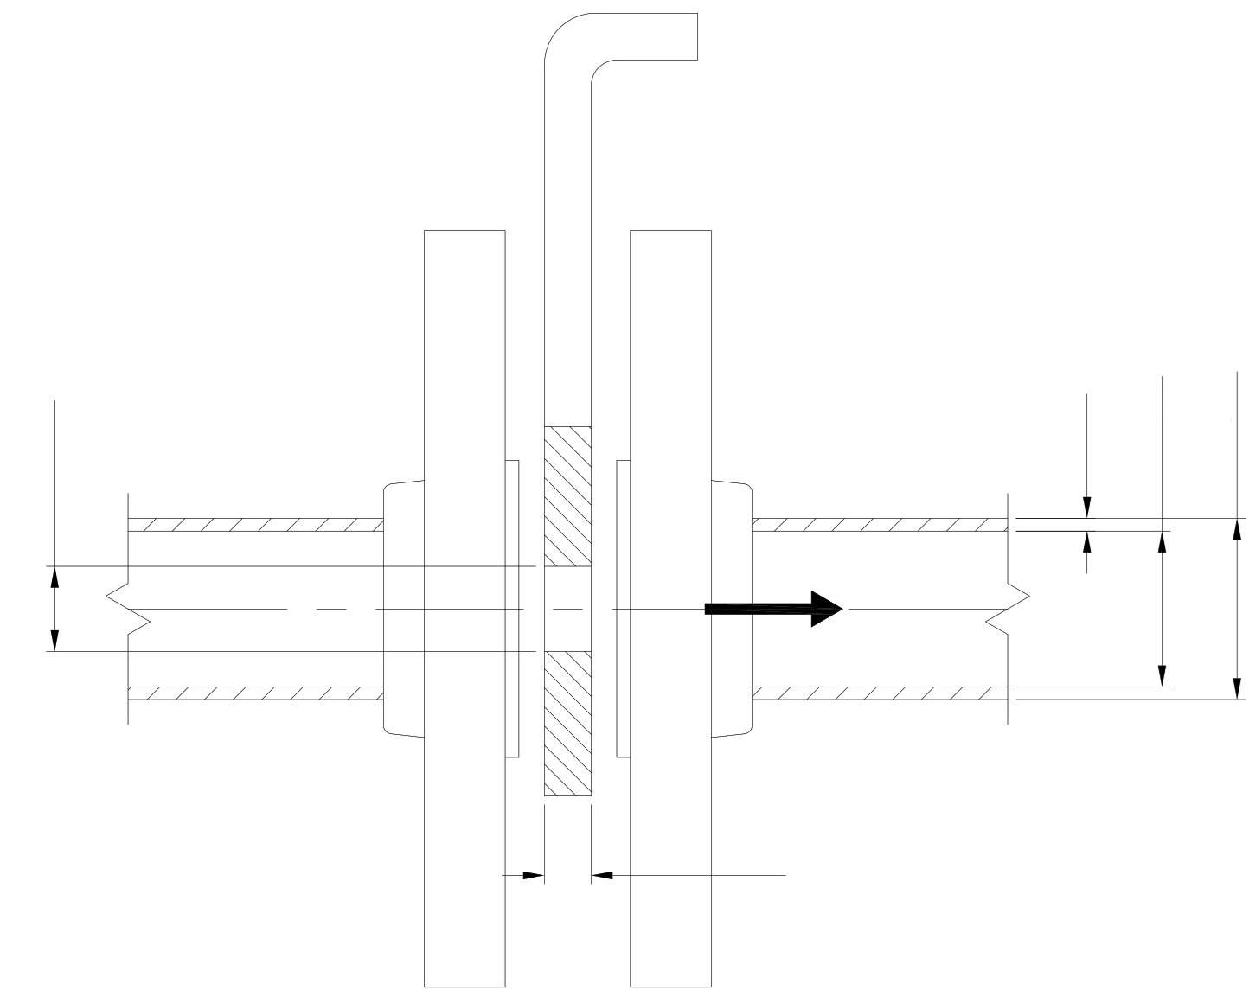
Piping 2"1/2 x Sch. 80
Q [m3/h] = 1.435
∆p [bar] = 2.256
tpipe [mm] = 7.01
Dint [mm] = 59
Dext [mm] = 73.02
Dorifice [mm] = 20
torifice [mm] = 20
PIPE AND ORIFICE DATA
result | flow | Result to be calculated
Dorifice [mm] | 20.000 | Orifice diameter
torifice [mm] | 20.000 | Piping thickness
type | ASTM | Piping type
DN [inch] | 2"1/2 | Piping nominal diameter
Sch [-] | 80 | Piping schedule
Dext [mm] | 73.020 | Piping internal diameter
Dint [mm] | 59.000 | Piping internal diameter
tpipe [mm] | 7.010 | Piping thickness
ε [mm] | 0.008 | Surface roughness

FLUID DATA
ρ [kg/m3] | 1000 | Fluid density
ν [mm2/s] | 1.000 | Fluid kinematic viscosity

RESTRICTION ORIFICE PLATE'S CALCULATION AS PER IDELCHIK'S METHOD
Q [m3/h] | 20.000 | Flowrate
∆p [bar] | 2.257 | Pressure drop across restriction orifice (Idelchik's chapter IV - Diagram 4.14)
Aorifice [mm2] | 314.159 | Orifice area
Apipe [mm2] | 2733.971 | Pipe area
corifice [m/s] | 17.683 | Fluid speed in restriction orifice
cpipe [m/s] | 2.032 | Fluid speed in piping
Red | 353670 | Reynolds number referred to orifice diameter
ReD | 119888 | Reynolds number referred to piping diameter
ε/Dorifice [-] | 0.000400 | Relative surface roughness
λ [-] | 0.0174 | Friction factor from Moody's chart
torifice/Dorifice [-] | 1.000 | Piping thickness
ε0Re [-] | 0.9638 | Coefficient from Idelchik's chapter IV - Diagram 4.10
ζϕ [-] | 0.0081 | Coefficient from Idelchik's chapter IV - Diagram 4.10
τ [-] | 0.2400 | Coefficient from Idelchik's chapter IV - Diagram 4.11
ζ0 [-] | 1.4258 | Coefficient from Idelchik's chapter IV - Diagram 4.14
ζ [-] | 109.2961 | Coefficient from Idelchik's chapter IV - Diagram 4.14
∆p [bar] | 2.256 | Pressure drop across restriction orifice (Idelchik's chapter IV - Diagram 4.14)
∆pcheck [bar] | -0.001 | Check of pressure calculation
Idelchik's Chapter IV - Diagram 4.10
 | A0/A1 = 0 |  | A0/A1 = 0.2 |  | A0/A1 = 0.3 |  | A0/A1 = 0.4 |  | A0/A1 = 0.5 |  | A0/A1 = 0.6 |  | A0/A1 = 0.7 |  | A0/A1 = 0.8 |  | A0/A1 = 0.9 |  | A0/A1 = 0.95 |  | A0/A1 = 0.114 |  | operating
25 | 1.94 | 25 | 1.78 | 25 | 1.57 | 25 | 1.35 | 25 | 1.1 | 25 | 0.85 | 25 | 0.58 | 25 | 0.4 | 25 | 0.2 | 25 | 0.03 | 25 | 1.8488 | 353670 | 0.0081
40 | 1.38 | 40 | 1.36 | 40 | 1.16 | 40 | 0.99 | 40 | 0.75 | 40 | 0.56 | 40 | 0.37 | 40 | 0.24 | 40 | 0.13 | 40 | 0.03 | 40 | 1.3686
60 | 1.14 | 60 | 1.05 | 60 | 0.88 | 60 | 0.79 | 60 | 0.55 | 60 | 0.3 | 60 | 0.23 | 60 | 0.13 | 60 | 0.08 | 60 | 0.02 | 60 | 1.0887
100 | 0.89 | 100 | 0.85 | 100 | 0.75 | 100 | 0.57 | 100 | 0.34 | 100 | 0.19 | 100 | 0.11 | 100 | 0.06 | 100 | 0.03 | 100 | 0 | 100 | 0.8672
200 | 0.69 | 200 | 0.67 | 200 | 0.57 | 200 | 0.4 | 200 | 0.19 | 200 | 0.1 | 200 | 0.06 | 200 | 0.03 | 200 | 0.01 | 200 | 0 | 200 | 0.6786
400 | 0.64 | 400 | 0.57 | 400 | 0.43 | 400 | 0.28 | 400 | 0.12 | 400 | 0.06 | 400 | 0.03 | 400 | 0.02 | 400 | 0 | 400 | 0 | 400 | 0.6001
1000 | 0.39 | 1000 | 0.36 | 1000 | 0.3 | 1000 | 0.19 | 1000 | 0.07 | 1000 | 0.03 | 1000 | 0.02 | 1000 | 0.01 | 1000 | 0 | 1000 | 0 | 1000 | 0.3729
2000 | 0.3 | 2000 | 0.26 | 2000 | 0.22 | 2000 | 0.14 | 2000 | 0.05 | 2000 | 0.02 | 2000 | 0.01 | 2000 | 0 | 2000 | 0 | 2000 | 0 | 2000 | 0.2772
4000 | 0.22 | 4000 | 0.2 | 4000 | 0.17 | 4000 | 0.1 | 4000 | 0.03 | 4000 | 0.01 | 4000 | 0 | 4000 | 0 | 4000 | 0 | 4000 | 0 | 4000 | 0.2086
10000 | 0.15 | 10000 | 0.13 | 10000 | 0.1 | 10000 | 0.06 | 10000 | 0.02 | 10000 | 0.01 | 10000 | 0 | 10000 | 0 | 10000 | 0 | 10000 | 0 | 10000 | 0.1386
20000 | 0.11 | 20000 | 0.09 | 20000 | 0.07 | 20000 | 0.04 | 20000 | 0.01 | 20000 | 0 | 20000 | 0 | 20000 | 0 | 20000 | 0 | 20000 | 0 | 20000 | 0.0986
100000 | 0.04 | 100000 | 0.03 | 100000 | 0.02 | 100000 | 0.02 | 100000 | 0.01 | 100000 | 0 | 100000 | 0 | 100000 | 0 | 100000 | 0 | 100000 | 0 | 100000 | 0.0343
200000 | 0.01 | 200000 | 0.01 | 200000 | 0.01 | 200000 | 0.01 | 200000 | 0.01 | 200000 | 0 | 200000 | 0 | 200000 | 0 | 200000 | 0 | 200000 | 0 | 200000 | 0.01
1000000 | 0 | 1000000 | 0 | 1000000 | 0 | 1000000 | 0 | 1000000 | 0 | 1000000 | 0 | 1000000 | 0 | 1000000 | 0 | 1000000 | 0 | 1000000 | 0 | 1000000 | 0
Idelchik's Chapter 4.11
 | τ |  | operating
0 | 1.35 | 1.000 | 0.2400
0.2 | 1.22
0.4 | 1.1
0.6 | 0.84
0.8 | 0.42
1 | 0.24
1.2 | 0.16
1.6 | 0.07
2 | 0.02
2.4 | 0
3 | 0
4 | 0
5 | 0
6 | 0
7 | 0
8 | 0
9 | 0
10 | 0
Idelchik's Chapter IV - Diagram 4.14
 | A0/A1 = 0.02 | A0/A1 = 0.04 | A0/A1 = 0.06 | A0/A1 = 0.08 | A0/A1 = 0.1 | A0/A1 = 0.15 | A0/A1 = 0.2 | A0/A1 = 0.25 | A0/A1 = 0.3 | A0/A1 = 0.4 | A0/A1 = 0.5 | A0/A1 = 0.6
0 | 6900.2579503 | 1669.6346767 | 717.76142995 | 390.263211 | 241.26502071 | 98.019676732 | 50.149534157 | 29.029611541 | 18.118263612 | 8.046395638 | 3.9091883092 | 1.9486832981
0.2 | 6593.6546846 | 1595.3845087 | 685.81725315 | 372.88226868 | 230.51325205 | 93.646445309 | 47.910979941 | 27.734264059 | 17.310954688 | 7.690518882 | 3.739253583 | 1.8669904413
0.4 | 6311.3051816 | 1527.0131161 | 656.40464249 | 356.88012793 | 220.61529835 | 89.621507787 | 45.851311163 | 26.542839625 | 16.568719321 | 7.363689501 | 3.5834609924 | 1.7923248682
0.6 | 5689.4030022 | 1376.3388682 | 591.55010577 | 321.5747653 | 198.7639351 | 80.720455641 | 41.287246251 | 23.896492513 | 14.915454148 | 6.6301968686 | 3.2296785031 | 1.6192773235
0.8 | 4679.4406213 | 1131.6042141 | 486.19051068 | 264.20857766 | 163.25153236 | 66.246701068 | 33.861014327 | 19.587376626 | 12.221012052 | 5.4319462347 | 2.6496218438 | 1.3337932397
1 | 4251.5685426 | 1027.9601693 | 441.58850314 | 239.93362753 | 148.23068885 | 60.132000136 | 30.72803292 | 17.772413901 | 11.08833534 | 4.9308326032 | 2.4089764395 | 1.2169639645
1.4 | 3929.4071624 | 950.00513795 | 408.07894331 | 221.71736166 | 136.97293114 | 55.56506411 | 28.397549747 | 16.428795518 | 10.254600183 | 4.5676475922 | 2.2388126146 | 1.1379056552
2 | 3761.4640059 | 909.49667094 | 390.72496348 | 212.31738317 | 131.18588916 | 53.242480794 | 27.227335683 | 15.764367573 | 9.8499536961 | 4.4004859519 | 2.1674146404 | 1.1106728793
3 | 3756.434721 | 908.60868026 | 390.49274678 | 212.27717006 | 131.21738884 | 53.318839485 | 27.30434721 | 15.834782215 | 9.9130432046 | 4.4510868026 | 2.2086955537 | 1.1449274678
4 | 3799.9129614 | 919.47824035 | 395.32366238 | 214.99456009 | 132.95651846 | 54.09178598 | 27.739129614 | 16.113042953 | 10.106279828 | 4.5597824035 | 2.2782607382 | 1.1932366238
5 | 3843.3912017 | 930.34780043 | 400.15457797 | 217.71195011 | 134.69564807 | 54.864732475 | 28.173912017 | 16.391303691 | 10.299516452 | 4.6684780043 | 2.3478259228 | 1.2415457797
6 | 3886.8694421 | 941.21736052 | 404.98549356 | 220.42934013 | 136.43477768 | 55.63767897 | 28.608694421 | 16.669564429 | 10.492753076 | 4.7771736052 | 2.4173911073 | 1.2898549356
7 | 3930.3476824 | 952.08692061 | 409.81640916 | 223.14673015 | 138.1739073 | 56.410625465 | 29.043476824 | 16.947825167 | 10.6859897 | 4.8858692061 | 2.4869562919 | 1.3381640916
8 | 3973.8259228 | 962.95648069 | 414.64732475 | 225.86412017 | 139.91303691 | 57.18357196 | 29.478259228 | 17.226085906 | 10.879226323 | 4.9945648069 | 2.5565214764 | 1.3864732475
9 | 4017.3041631 | 973.82604078 | 419.47824035 | 228.58151019 | 141.65216652 | 57.956518455 | 29.913041631 | 17.504346644 | 11.072462947 | 5.1032604078 | 2.626086661 | 1.4347824035
10 | 4060.7824035 | 984.69560086 | 424.30915594 | 231.29890022 | 143.39129614 | 58.72946495 | 30.347824035 | 17.782607382 | 11.265699571 | 5.2119560086 | 2.6956518455 | 1.4830915594
LIMITS OF USE
torifice/Dorifice [-] | 1.000 | Requirement as per Idelchik's chapter IV - Diagram 4.14

